RaaS123 ROI Calculator
RaaS 123 ROI Calculator |  |  |  | 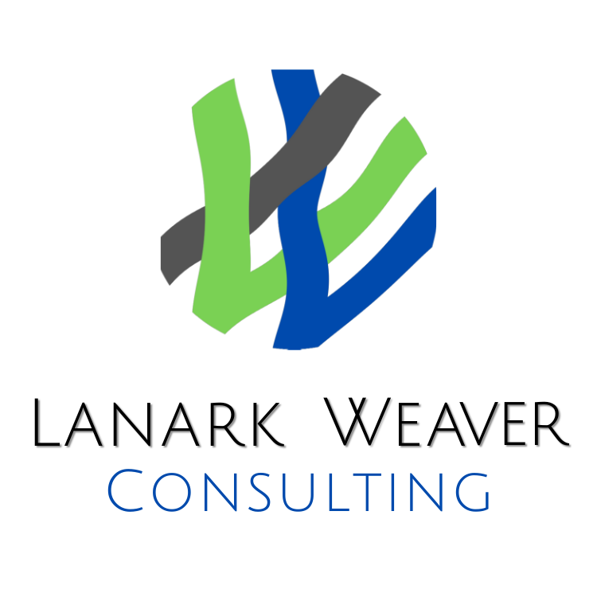
 | Method 1: Enter the roles and salaries of the positions you anticipate hiring over the next 12 months. (Will autopopulate Method 2 totals when completed)

OR | Method 2: Enter the TOTAL number of roles you anticipate hiring over the next 12 months and the sum TOTAL of the Annual Salaries for all of the roles forecast.
 | (See examples of both methods on Tabs 2 & 3 of this workbook)
Method 1 - Detailed 12 Month Hiring Forecast

# | Position Title | Number of Anticipated Hires for This Position (Headcount) | Estimated Annual Salary ($) Per Position |  | Total Estimated Annual Salary ($)
1 |  |  |  |  | $0
2 |  |  |  |  | $0
3 |  |  |  |  | $0
4 |  |  |  |  | $0
5 |  |  |  |  | $0
6 |  |  |  |  | $0
7 |  |  |  |  | $0
8 |  |  |  |  | $0
9 |  |  |  |  | $0
10 |  |  |  |  | $0
 | Total Anticipated Hires | 0 |  | Total New Hire Salary Budget | $0

Method 2 - Summary 12 Month Hiring Forecast

 | Total Number of All Anticipated Hires | 0 | Total (Sum) of Estimated Salaries for ALL Forecasted Roles |  | $0

Your Customized ROI

 | Typical Contingency Recruitment Fees for Forecasted Roles |  |  |  | $0
 | RaaS 123 Budget |  |  |  | $24,000

 | Your Savings |  |  |  | -$24,000
* For illustrative budgetary purposes only. Hiring plans frequently change over the course of a 12 month period.
If forecasted savings are negative, RaaS might not be right for you. Connect with us to discuss available customized offers.
Contact Merlin Watt at merlin@lanarkweaver.com or +19028803087 to discuss your unique requirements.

RaaS 123 Key Benefits
 | Estimated Cost Savings according to your forecasted hiring plan of $-24000

 | Risk-Free, No Obligation Trial Available. For details, please contact Merlin Watt at merlin@lanarkweaver.com or +19028803087

Plus

· | Never pay another 5-figure recruitment invoice again.
· | Budget friendly monthly subscription cost plus modest per-hire fee
· | Extended warranty on all placements including free replacement (in accordance with terms & conditions)
· | Strategic, proactive talent acquisition program building pipelines for future hirings with hard to find skill sets.
· | Full outsourced RPO or integrate with your existing HR team member(s)
· | Free internal HR resources to focus on projects, processes, policies & performance and professional development
· | No HR Team? No problem. We have HR resources available to assist with your post-hire policy, program, administration or non-talent acquisition related initiatives. (Available as an add-on through our designated HR partners on a per-project or retained basis as needed. Ask for details.)
· | Fully customized to your resources, systems, collaboration tools and platforms
· | Ongoing consultation on your Employer Brand, labour market, hiring strategies, processes & systems
· | Resource for organization chart development, hiring plans, compensation, retention and other talent topics
· | Administration and completion of background checks and/or references as appropriate
· | Highly flexible for changing markets and hiring plans
· | Build a strong Employer Brand so you can build the strongest team

 | Special Note: This is not a public offer. While we more than appreciate referrals, Lanark Weaver Consulting reserves the right to pre-qualify organizations to ensure they are the right size and fit for this offer and our team.

